Sheet1
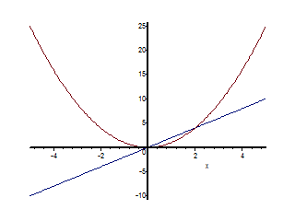
x^2
x
2*x
Maple Plot

